Basement
Room (Floor Basement) | Area(ft2) | Occupants Load Factor (ft2/person) | Occupants Load(persons) | Notes
Pre-Professional Health Law Support Services/Concurrent Programming | 1457.946378 | 240 | 6 | Selected as inpatient treatment departmetns
Textbook Buybacks/Merchandise Returns | 2175.52812 | 30 | 73 | Sales area on floor below street floor
Pete's Pantry | 347.392518 | 500 | 1 | In other than storage and mercantile occupancies
Silver Clippers | 556.17471 | 15 | 37 | ??? We have no idea what this room is for, so it is regarded as less concentrated use without fixed seating
Retail Operations Offices | 1165.42203 | 150 | 8 | Business Use
Simmons Bank | 551.233467 | 15 | 37 | Less concentrated use without fixed seating
Basement Lounge | 1161.65826 | 15 | 77 | Less concentrated use without fixed seating
OSU Professional Sales Lab | 598.95738 | 30 | 20 | Sales area on floor below street floor
Transfer and Student Veteran Success | 484.8012 | 15 | 32 | Less concentrated use without fixed seating
Cowboy Underground | 1573.1868 | 15 | 105 | ??? We have no idea what this room is for, so it is regarded as less concentrated use without fixed seating
OSU Esports Arena | 1689.145446 | 15 | 113 | Less concentrated use without fixed seating
University Dining Services | 2288.78652 | 15 | 153 | Less concentrated use without fixed seating
Union Building Operations | 1011.887838 | 7 | 145 | Concentrated use, without fixed seating

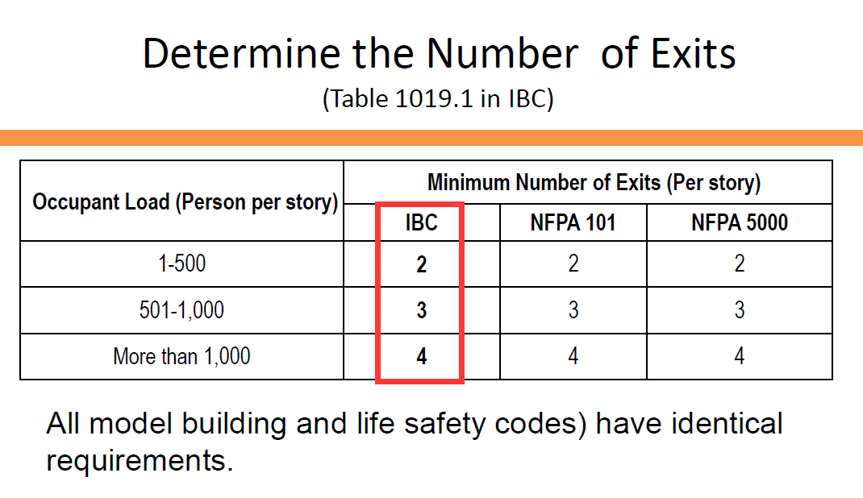
 |  | Occupants Load | 805
 |  | Exits required | 3

 | Minimum widths of the exits (ft) | Minimum remoteness between exits (ft) | Maximum allowable travel distance (ft)
 | 5.032769109 | 71.2 | 91

